Sheet2
中国长城工业广州有限公司

CHINA GREAT WALL INDUSTRY GUANGZHOU CO., LTD
ADD:GREAT WALL BUILDING 79 GUANGYUANSI ROAD,GUANGZHOU
TEL: 86-20-86517001 FAX: 86-20 86525736
QUOTATION

 |  |  |  |  |  | 日期
 |  |  |  |  |  | DATE: | 2019-11-19

此致 |  |  |  |  |  | NO: | 0619PE
TO: | Equipson S.A.
ATTN: | Carina Núñez

PHOTO |  | ITEM NO | OUTER SIZE(MM) | INNER SIZE(MM) | NET WEIGHT KGS | FOB GUANGZHOU | UNIVERSAL FOAM PRICE

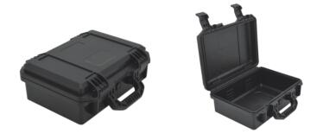 |  | 2030 | L335xW260xH130 | L300xW200xH120 | 1.4KG | $8.00 | $2.30
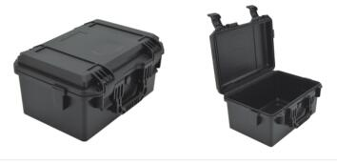 |  | 2133 | L371xW269xH186 | L330xW210xH175 | 1.8KG | $9.50 | $3.80
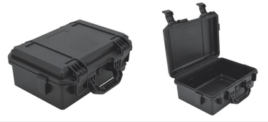 |  | 2133l | 371*269*146 | 330*210*135 | 1.4KG | $8.70 | $2.90
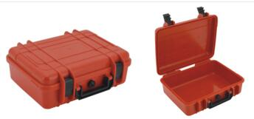 |  | 2518 | L272xW225xH86.5 | L250xW180xH86 | 0.88kg | $5.00 | $1.20
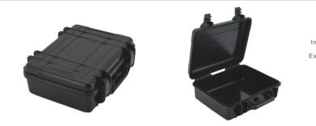 |  | 2519 | L275xW235xH166 | L251xW180xH155 | 1kg | $4.70 | $2.20
 |  | 2620 | L279xW234xH126 | L260xW200xH120 | 0.8kg | $3.60 | $2.00
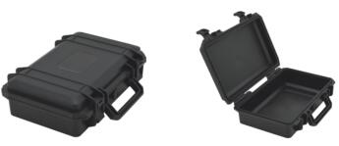 |  | 2716 | L295xW205xH91 | L270xW160xH80 | 0.75kg | $4.50 | $1.50
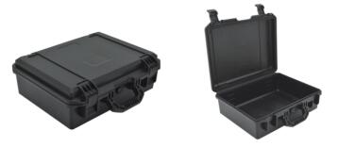 |  | 2838 | L415xW340xH144 | L380xW280xH135 | 2.1kg | $9.50 | $4.20
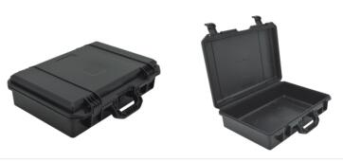 |  | 2944 | L473xW348xH128 | L440xW290xH120 | 2.5kg | $12.50 | $4.30
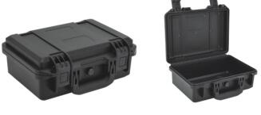 |  | 3020 | L335xW260xH130 | L300xW200xH120 | 1.4KG | $11.30 | $2.20
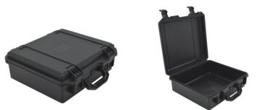 |  | 3035 | L385xW358xH140 | L350xW300xH130 | 1.8KG | $9.50 | $4.20
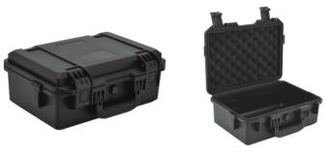 |  | 3321 | L371xW269xH186 | L330xW210xH175 | 1.8KG | $13.00 | $3.80
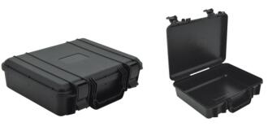 |  | 3527 | L350xW290xH98 | L332xW270xH95 | 0.8kg | $4.50 | $2.20
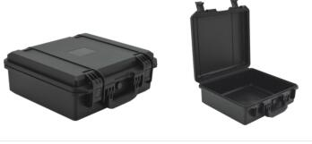 |  | 3530 | L385xW358xH140 | L350xW300xH130 | 1.8KG | $13.40 | $4.00
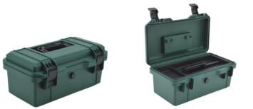 |  | 3617 | L395xW225xH180 | L360xW170xH168 | 1.6kg | $8.50 | $1.23
 |  | 3828 | L415xW340xH144 | L380xW280xH135 | 2.1 | $13.40 | $4.20
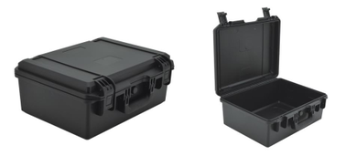 |  | 3828H | 415*370*174 | 380*280*165 | 2.02 | $16.00 | $5.30
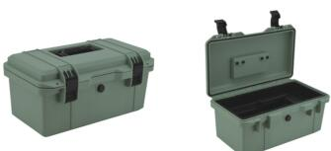 |  | 4020 | L433xW254xH210 | L400xW200xH198 | 2.2 | $10.20 | $0.00
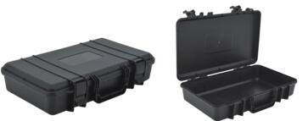 |  | 4325 | L440xW280xH98 | L430xW250xH95 | 0.86kg | $4.80 | $2.20
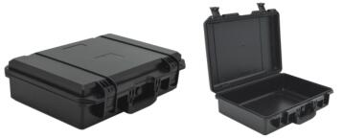 |  | 4429 | L473xW348xH128 | L440xW290xH120 | 2.5kg | $14.50 | $4.40
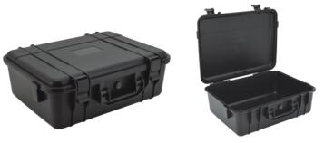 |  | 4432 | L480xW378xH165 | L437xW320xH155 | 2.6kg | $12.90 | $7.00
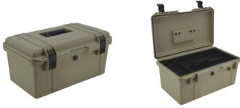 |  | 4625 | L495xW304xH240 | L460xW250xH230 | 3.2kg | $12.80 | $1.86
 |  | 4636 | L521xW421xH140 | L460xW360xH130 | 2.6kg | $21.80 | $5.70
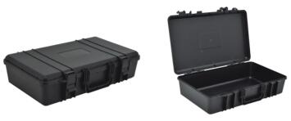 |  | 5030 | L520xW336xH130 | L500xW300xH120 | 1.8KG | $7.30 | $4.60
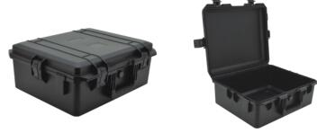 |  | 5040 | L555xW460xH225 | L500xW400xH210 | 4.4kg | $26.00 | $12.20
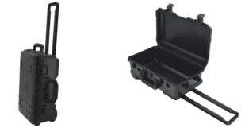 |  | 5129 | L560xW350xH227 | L515xW289xH185 | 5.2kg | $37.70 | $7.70
 |  | 5236 | L575xW421xH287 | L515xW360xH245 | 6.8kg | $47.90 | $11.90
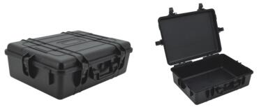 |  | 5943 | L666xW500xH207 | L590xW425xH191 | 7.25kg | $50.80 | $11.90
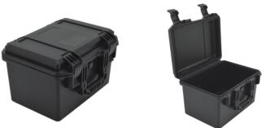 |  | 2030H | L335xW260xH220 | L300xW200xH200 | 1.9kg | $10.20 | $4.20
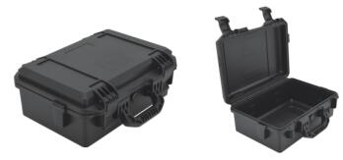 |  | 2133L | L371xW269xH146 | L330xW210xH135 | 1.4KG | $8.70 | $2.90
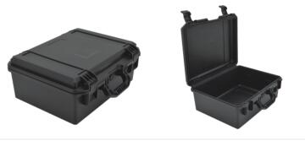 |  | 2838H | L415xW340xH174 | L380xW280xH165 | 2.6kg | $12.40 | $5.30
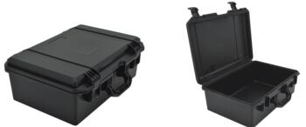 |  | 2944H | L473xW348xH193 | L440xW290xH185 | 2.8kg | $15.70 | $7.00
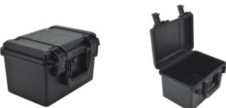 |  | 3020H | L335xW260xH220 | L300xW200xH200 | 1.9KG | $13.20 | $4.20
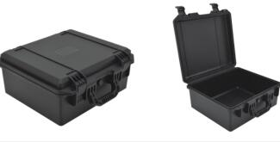 |  | 3035H | L385xW358xH175 | L350xW300xH165 | 2.2kg | $12.40 | $5.30
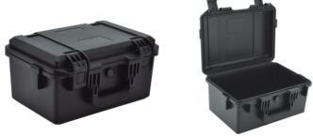 |  | 3321L | L371xW269xH146 | L330xW210xH135 | 1.4KG | $11.80 | $3.00
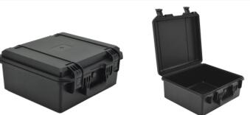 |  | 3530H | L385xW358xH175 | L350xW300xH165 | 2.2kg | $16.00 | $5.30
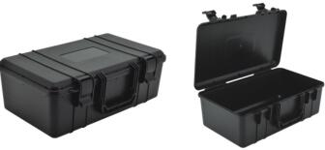 |  | 4325B | L440xW280xH158 | L430xW250xH150 | 1.2kg | $5.10 | $4.40
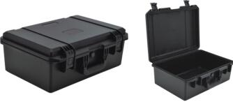 |  | 4429H | L473xW348xH193 | L440xW290xH185 | 2.8kg | $21.80 | $7.00
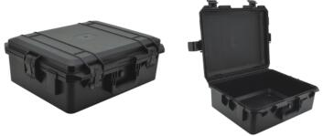 |  | 4636H | L521xW421xH190 | L460xW360xH180 | 3.2kg | $26.10 | $8.50
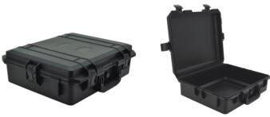 |  | 5040L | L555xW460xH185 | L500xW400xH165 | 4.1kg | $22.90 | $9.50
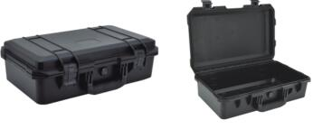 |  | 5129L | L560xW350xH180 | L515xW400xH165 | 4.1kg | $21.00 | $6.90
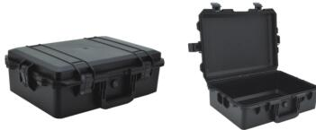 |  | 5236L | L575xW421xH207 | L515xW360xH165 | 3.9kg | $28.30 | $8.80
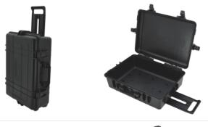 |  | 5943A | L666xW500xH220 | L590xW425xH190 | 7.25kg | $57.60 | $11.90
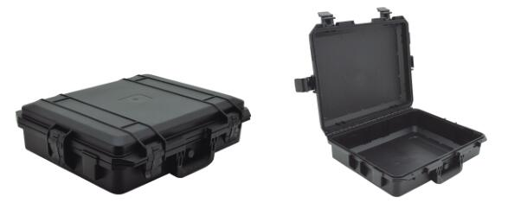 |  | YF-4136 | L470xW420xH143 | L410xW360xH130 | 2.65KG | $19.60 | $5.30
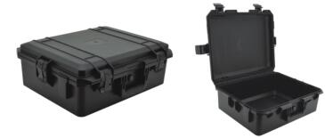 |  | YF-4136H | L470xW420xH203 | L410xW360xH190 | 3.05KG | $24.00 | $7.90
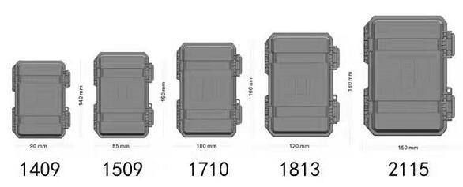 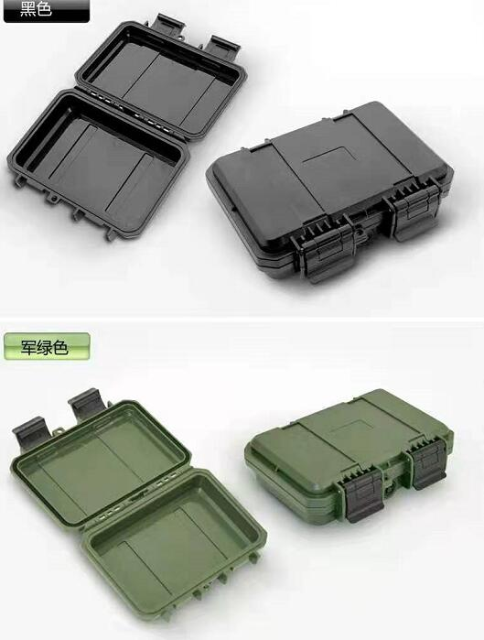 |  | YF-1409 | L158xW122xH46 | L140xW90xH38 | 0.19KG | $1.80 | $0.30
 |  | YF-1509 | L168xW117xH46 | L150xW85xH38 | 0.2KG | $1.90 | $0.30
 |  | YF-1710 | L184xW132xH46 | L166xW100xH38 | 0.23KG | $2.10 | $0.30
 |  | YF-1813 | L198xW152xH46 | L180xW120xH38 | 0.27KG | $2.20 | $0.40
 |  | YF-2115 | L228xW182xH46 | L210xW150xH38 | 0.36KG | $2.70 | $0.60
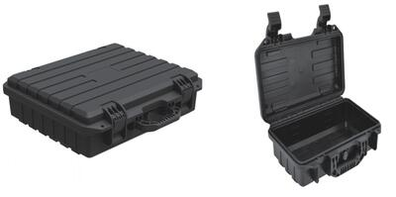 |  | YF-4213 | L460xW191xH100 | L420xW130xH90 | 1.09kg | $0.00 | $1.80
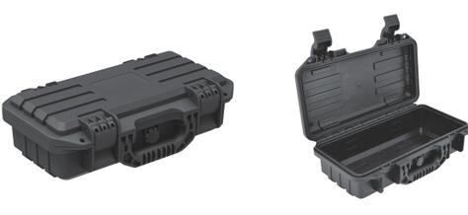 |  | YF-3013 | L340xW191xH100 | L300xW130xH90 | 0.86kg | $0.00 | $1.40
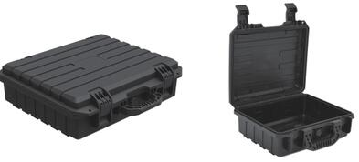 |  | YF-4033 | L438xW391xH129 | L400xW330xH110 | 1.86kg' | $0.00 | $4.30
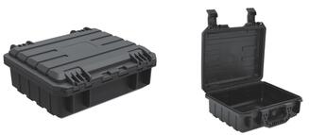 |  | YF-2316 | L261xW210xH90 | L230xW160xH80 | 0.59kg | $0.00 | $1.10
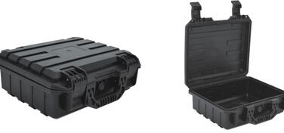 |  | YF-2822 | L316xW281xH117 | L280xW220xH107 | 1.12kg | $0.00 | $2.20
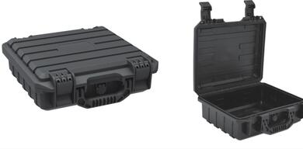 |  | YF-2826 | L316xW316xH100 | L280xW260xH90 | 1.14kg | $0.00 | $1.90
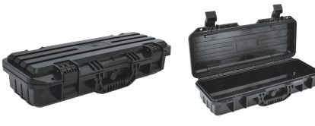 |  | YF-5020 | L558xW261xH100 | L500xW200xH90 | 1.54kg | $0.00 | $3.00
 |  | YF-2812 | L303xW154xH154 | L280xW120xH123 | 0.64kg | $4.20 | $0.61
 |  | YF-4133 S | L460xW370xH146 | L410xW325xH127 | 2.6kg | $10.90 | $12.40
 |  | YF-4133 M | L460xW370xH206 | L410xW325xH187 | 3.2kg | $13.20 | $14.50
 |  | YF-4133 L | L460xW370xH276 | L410xW325xH257 | 3.7kg | $16.60 | $18.20
 |  | YF-13034 | L1342xW400xH144 | L1278xW340xH130 | 8.3kg | $52.20 | $15.30
 |  | YF-11034 | L1142xW400xH144 | L1078xW340xH130 | 7.3kg | $45.00 | $13.10
 |  | YF-9034 | L942xW400xH144 | L878xW340xH130 | 5.9kg | $40.60 | $10.90
 |  | YF-3517 | L375xW210xH113 | L350xW170xH110 | 1kg | $5.30 | $1.50
 |  | YF-3326 | L359xW305xH90 | L330xW251xH88 | 1.08KG | $5.60 | $2.20
REMARKS:PRICE IS BASED ON FULL CONTAINER, IF LCL, CUSOTMER
HAS TO PAY EXTRA LOCAL COST ACCORDING TO REALITY
PACKING:ONE PC INTO ONE PP BAG,THEN INTO CTN
DELIVERY DATE :WITHIN15 DAYS AFTER THE DEPOSIT DEPENDIONG ON THE SEASON
PAYMENT TERMS： T/T 30% BALANCE COPY OF BL
BENEFICIARY NAME:CHINA GREAT WALL INDUSTRY GUANGZHOU CO.,LTD
BANK NAME:BANK OF COMMUNICATIONS
BANK ADD: 123 SOUTH JIEFANG ROAD, GUANGZHOU, CHINA
ACCOUNTS: 441164670012013001893
TEL: +86 20 86520961, 86522071
FAX: +86 20 83270037, 83270400
SWIFT CODE: COMMCNSHGUA

